PEF
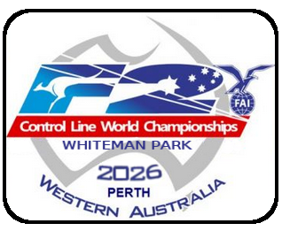 |  |  |  | 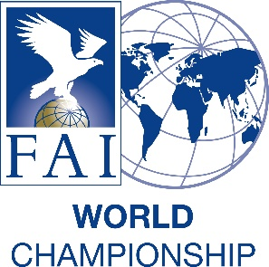
2026 FAI WORLD CHAMPIONSHIPS FOR F2 CONTROL LINE MODEL AIRCRAFT for Seniors and Juniors
Perth, Western Australia
3-8 May 2026
PRELIMINARY ENTRY FORM
Country Code:
National Airsports Control of:
Correspondence address:

NAC’s person in charge:
Phone:
E-mail:
Fax:
Enter number in each category
F2 Team Manager | (Enter if TM is not a competitor)
F2 Team Manager Assistant | (Enter if TMA is not a competitor)
Competitors | F2A | F2B | F2C Teams | F2D | F2G
Senior:
Junior:
Female:
Reigning World Champion Sen:
Reigning World Champion JNR:
Number of participants in class: | 0 | 0 | 0 | 0 | 0
F2D Mechanics:
Supporters:
Total number of participants: | 0

